ECN
Company
Logo
Engineering Change Notice
 |  |  |  |  | Note: this is usually sent to supplier
ECN Number:
From: | Company initiating change
To: | Supplier or CM to be notified |  | Date of Notice: | / /

ECO Number: |  |  | ECO Approval Date: | / /
Change | Describe in detail

Reason | Describe in detail

Items Impacted
Item # | Title | Disposition

Actions Requested

Authorized by:
Name: |  | Date:

Signature: |  | Email:
__________________________________

Quality Pg 2
No. | Reject Description | Category [Drop down box] | Quantity | Attach Picture (if applicable) | Required Disposition | Root Cause | Containment Action | Supplier Short Term Corrective Action | Implementation Date | Verified | Supplier Long Term Corrective Action | Implementation Date | Vendor Process Audit Plan Revision | Verified
1 | Scratches on the upper surface of PC board | Cosmetic | 3 of 5 | NA | Scrap Rejects | a. Didn’t use soft foam to separate each board after cutting. b. Foot print is caused when assemble door hook and screws in production line. Mopping with white gloves caused more scratches on upper surface. | 100% Sort | Check all the assembled products to find out if there is scratch or bad pad printing.Scrap all the defective parts. | 2011-09-22 |  | 1. IPQC needs to check the scratches before pad printing for future production. 100%. 2. IPQC needs to check the pad printing and scratches before put the foam on for future production. 100%. 3. Need to test out if the footprint can be cleared with pledget. | 2011-09-22 | N
2 | Spot welding of rim hook is bad. Missing welding and exceeding welding. | Functional | 1 of 2 | 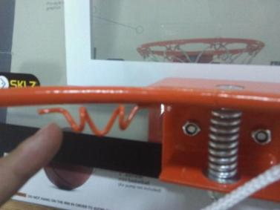 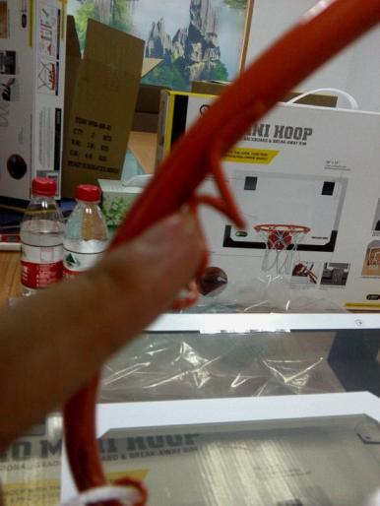 | Rework Rejects | QC didn't check 100% | 100% Sort | Check all the assembled products to find out if there is missing welding or exceeding welding.Scrap all the defective parts. | 2011-09-22 |  | IPQC needs to check the rim 100% on line for future production. | 2011-09-22 | N

